Sheet1
Spearfish Temperature History January 22, 1943
Tempeartures in Spearfish, SD v. Time January 22, 1943
Time | Temperature | Data Source
7:00:00 | -8° | NWS Chart
7:05:00 | -7.3° | linearly interpolated
7:10:00 | -6.7° | linearly interpolated
7:15:00 | -6.0° | linearly interpolated
7:20:00 | -5.3° | linearly interpolated
7:25:00 | -4.7° | linearly interpolated
7:30:00 | -4° | Hamann, 1943
7:32:00 | 45° | Hamann, 1943
7:35:00 | 45.5° | NWS Chart
7:38:00 | 38° | NWS Chart
7:39:00 | 52° | NWS Chart
7:40:00 | 52° | NWS Chart
7:42:00 | 51.5° | NWS Chart
7:43:00 | 52° | NWS Chart
7:45:00 | 52.5° | NWS Chart
7:47:00 | 51.5° | NWS Chart
7:50:00 | 52.5° | NWS Chart
7:52:00 | 51.5° | NWS Chart
7:53:00 | 53° | NWS Chart
7:55:00 | 54° | NWS Chart
7:57:00 | 20° | NWS Chart
8:00:00 | 25° | NWS Chart
8:03:00 | 15° | NWS Chart
8:05:00 | 15° | NWS Chart
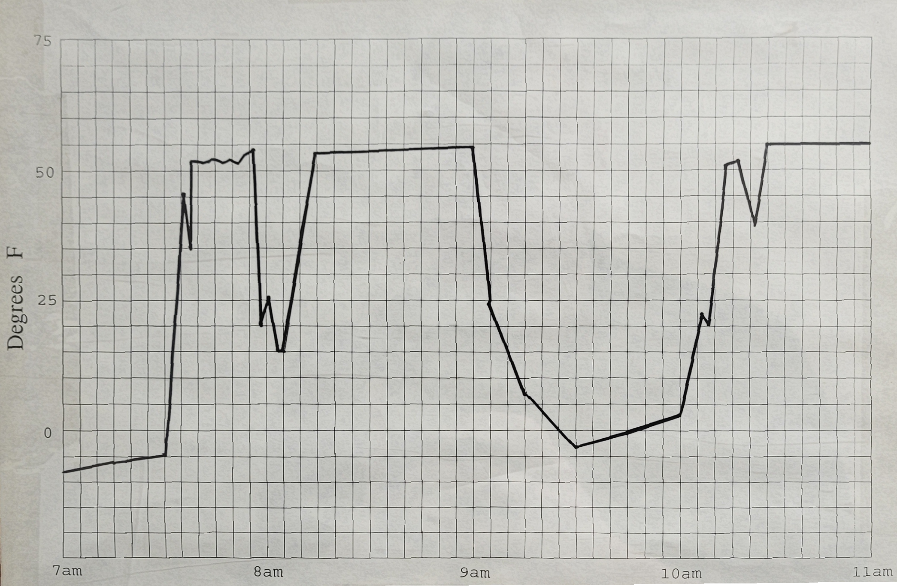
8:10:00 | 34.3° | linearly interpolated
8:15:00 | 53.5° | NWS Chart
8:20:00 | 53.6° | linearly interpolated
8:25:00 | 53.6° | linearly interpolated
8:30:00 | 53.7° | linearly interpolated
8:35:00 | 53.7° | linearly interpolated
8:40:00 | 53.8° | linearly interpolated
8:45:00 | 53.8° | linearly interpolated
8:50:00 | 53.9° | linearly interpolated
8:55:00 | 53.9° | linearly interpolated
9:00:00 | 54° | Hamann, 1943
9:05:00 | 25° | NWS Chart
9:10:00 | 15.8° | linearly interpolated
9:15:00 | 7° | NWS Chart
9:20:00 | 2.4° | linearly interpolated
9:25:00 | -2.2° | linearly interpolated
9:27:00 | -4° | Hamann, 1943
9:35:00 | -2.3° | linearly interpolated
9:40:00 | -1.2° | linearly interpolated
9:45:00 | -0.2° | linearly interpolated
9:50:00 | 0.9° | linearly interpolated
9:55:00 | 1.9° | linearly interpolated
10:00:00 | 3° | NWS Chart
10:06:00 | 22.5° | NWS Chart
10:08:00 | 20° | NWS Chart
10:13:00 | 51° | NWS Chart
10:16:00 | 52° | NWS Chart
10:22:00 | 39.5° | NWS Chart | Courtesy of NWS UNR
10:25:00 | 55° | NWS Chart
10:30:00 | 55° | NWS Chart
10:35:00 | 55° | NWS Chart
10:40:00 | 55° | NWS Chart
10:45:00 | 55° | NWS Chart
10:50:00 | 55° | NWS Chart
10:55:00 | 55° | NWS Chart
11:00:00 | 55° | NWS Chart

